Sheet1


 |  | 50 |  | mean | 58.75
 |  | 60 |  | median | 57.5
 |  | 55 |  | .mode | no mode
 |  | 70



 | 15
 | 10
 | 20
 | 25
 | 15 |  | mean | 17
 | 10 |  | median | 15
 | 30 |  | mode | 10
 | 20
 | 15
 | 10
 | 10
 | 25
 | 15
 | 20
 | 20
 | 15
 | 10
 | 10
 | 20
 | 25



3
2
5
4
7
2
3
3
1
6
4
2
3
5
2
4
2
1
3
5 |  |  |  | mean | 3.44
6 |  |  |  | median | 3
3 |  |  |  | mode | 2
2
1
4
2
4
5
3
2
7
2
3
4
5
1
6
2
4
3
5
3
2
4
2
6
3
2
4
5

Sheet2
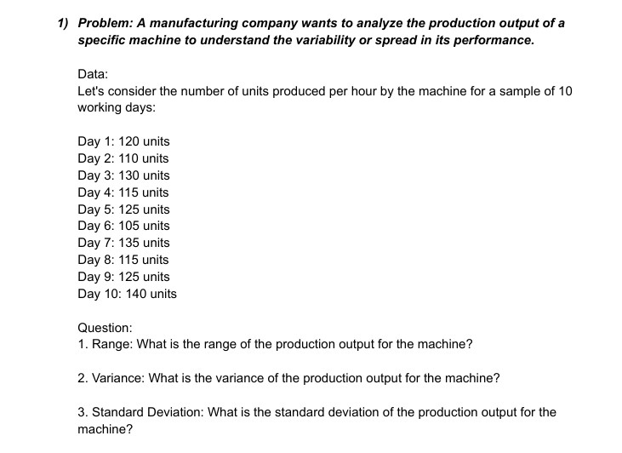

 | 120
 | 110 |  | max | 140
 | 130 |  | min | 105
 | 115 |  | range | 35
 | 125
 | 105 |  | variance | 123.33333333
 | 135
 | 115 |  | s.d | 11.105554166
 | 125
 | 140

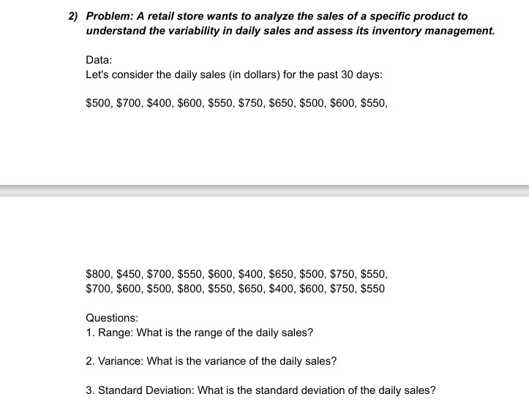

500
700
400
600
550
750
650
500
600
550 |  | max | 800
800 |  | min | 400
450 |  | range | 400
700
550 |  | variance | 13163.793103
600
400 |  | s.d | 114.73357444
650
500
750
550
700
600
500
800
550
650
400
600
750
550

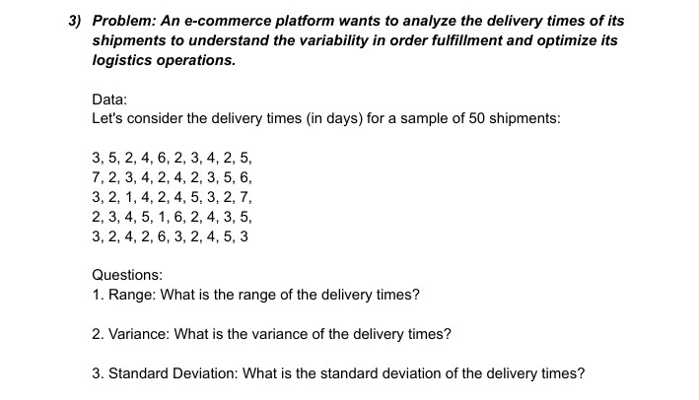
3
5
2
4
6
2
3
4
2
5
7
2
3
4
2
4 | max | 7
2 | min | 1
3 | range | 6
5
6 | variance | 2.3363265306
3
2 | s.d | 1.5285046714
1
4
2
4
5
3
2
7
2
3
4
5
1
6
2
4
3
5
3
2
4
2
6
3
2
4
5
3

Sheet4
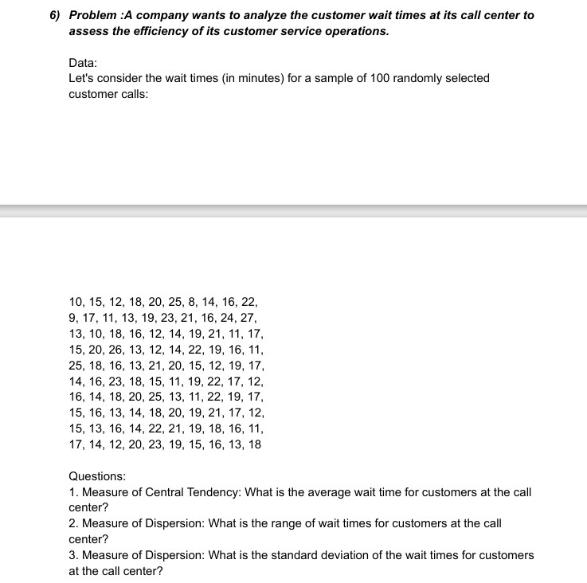

 |  |  | average | 16.74
 |  |  |  | 27
 |  |  |  | 8
 |  |  | range | 19
 |  |  | s.d | 4.1429506881

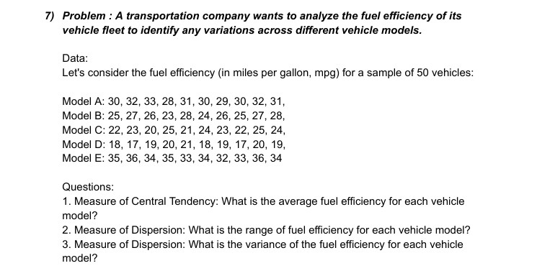
 |  | model a | model b | model c | model d | model e
 | average | 30.6 | 25.9 | 22.9 | 18.8 | 34.2
 |  | 33 | 28 | 25 | 21 | 36
 |  | 28 | 23 | 20 | 17 | 32
 | range | 5 | 5 | 5 | 4 | 4
 | variance | 2.2666666667 | 2.7666666667 | 2.7666666667 | 1.7333333333 | 1.7333333333

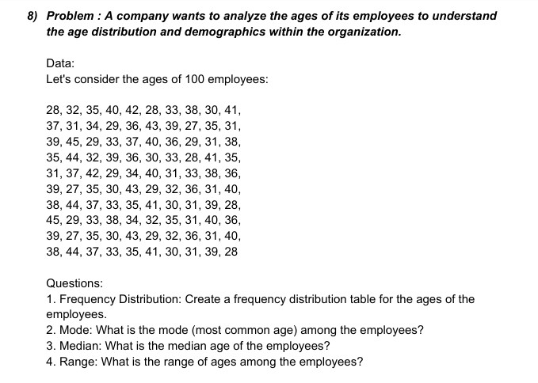

mode | 31
median | 35
 | 45
 | 27
range | 18

Sheet3
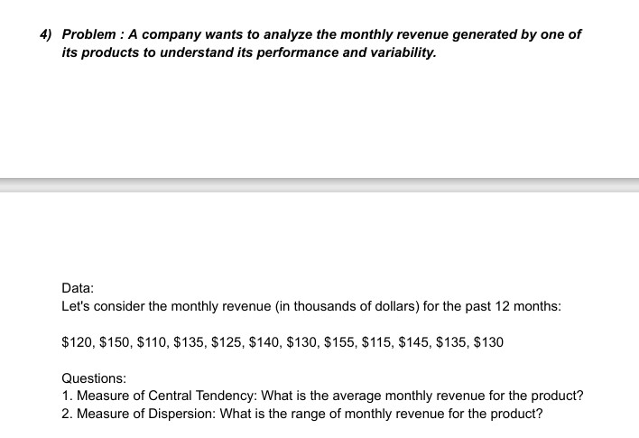

120
150
110
135 | central tendency | 132.5
125
140 |  | 155
130 |  | 110
155 | dispersion | 45
115
145
135
130

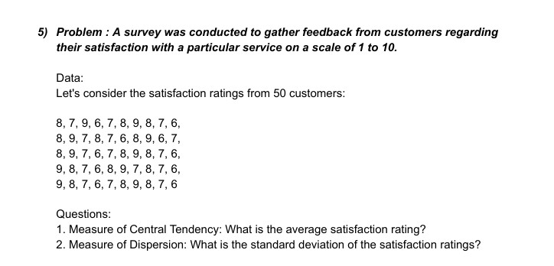
8
7
9
6
7
8
9
8 | central tendency | 7.5
7
6 | dispersion | 1.035098339
8
9
7
8
7
6
8
9
6
7
8
9
7
6
7
8
9
8
7
6
9
8
7
6
8
9
7
8
7
6
9
8
7
6
7
8
9
8
7
6

Sheet5
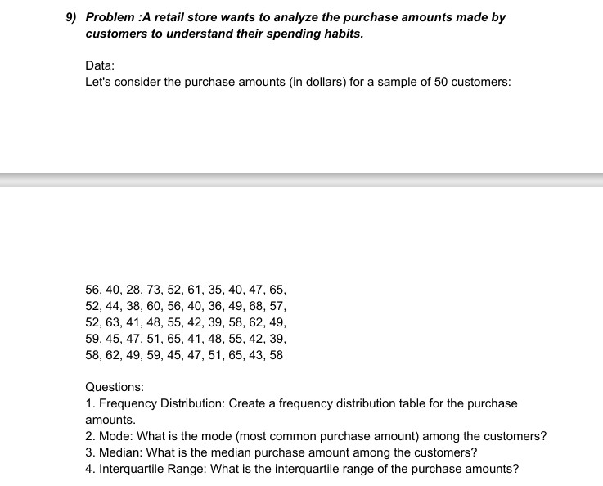

mode | 40
median | 50
interquartile | 42.25

